Portfolio
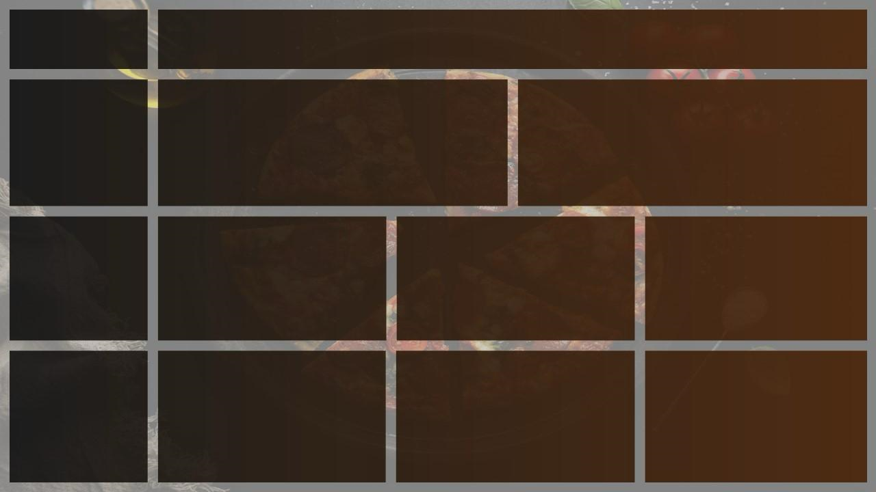
Total Revenue
Avg order value
Total pizzas sold
Total orders
Avg pizzas per oreder
PIZZA
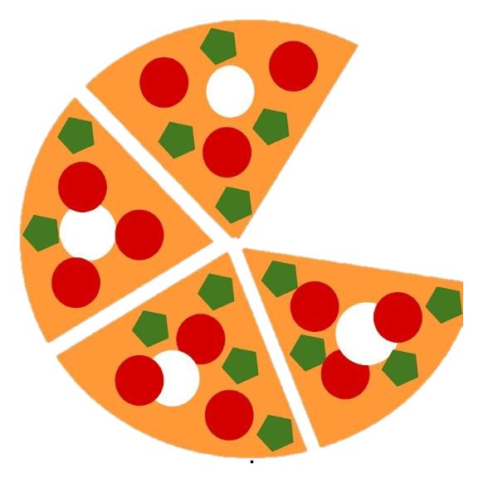
SALES

$360838.47
$515.48
7017
700
10.02

Daily Trend for Total Orders
Hourly Trend for Total Orders
Busiest Days and Times

 | Total
11 AM | 116
12 PM | 246
1 PM | 448
2 PM | 234
3 PM | 235
4 PM | 124
5 PM | 207
6 PM | 237
7 PM | 149
8 PM | 154
9 PM | 100
10 PM | 64
 | Total
Sunday | 361
Monday | 283
Tuesday | 329
Wednesday | 369
Thursday | 328
Friday | 312
Saturday | 332
DAYS
Orders are Highest on SUNDAY
TIMES
There are Maximun Orders Between 12pm-2pm

Percentage of Sales By Category
Percentage of Sales By Size
Total Pizza sold By Pizza Category
Sales by Category and Size

 | Total
chicken | 23.93%
classic | 24.41%
supreme | 25.58%
veggies | 26.08%
CATEGORY
VEGGIES category contribute to maximum sales and total orders
SIZE
MEDIUM SIZE pizza contribute to maximun sales
 | Total
extra large | 24.13%
large | 23.34%
medium | 27.25%
regular | 25.28%

Top 5 Best Sellers by Total Pizzas Sold
Bottom 5 Worst Sellers by Total Pizzas Sold
Best And Worst Sellers

 | Total
Margherita | 713
Mushroom | 731
Hawaiian | 759
Buffalo Chicken | 777
Pesto | 794
 | Total
Vegetarian | 583
Supreme | 610
Meat Lovers | 666
BBQ Chicken | 679
Pepperoni | 705
BEST
PESTO AND BUFFALO CHICKEN are the best seller pizza
WORST
VEGETARIAN are the worst selling pizza

